Module 5
Main

 | ignore chapters 30, 33, 34 and 36

 | normal PPE for ias 16
 | IAS 23 - borrowing cost
 | ifrs 13 - measurement of FV

 | capitalised borrowing costs should not exceed the actual borrowing costs
 | if old ppe scrapped - consider if it should have been held at year end at all. Should it have been derecognised in the nominal and asset register. Meaning assets were overstated.
 | if the asset contrcutino ceases, stop capitalising for that period

 | Activity 1

 | 2014-08-01 |  |  | dr | cr
 | dr PPE - cost |  |  | 250,000
 | dr SPL - repairs |  |  | 265,000
 | cr Suspense |  |  |  | 515,000
 | being correction to expenditure on production line

 | P&L -other income |  |  | 4,000
 | dr PPE - AD |  |  | 190,000
 | dr SPL - loss on disposal |  |  | 6,000
 |  | cr PPE - cost |  |  | 200,000
 | Beiong correction ot dispoal of replaced part

 | 2015-06-30
 | dr SPL - depr'n |  |  | 57,750
 |  | cr PPE - Ad |  |  | 57,750
 | beinb depreciation of replacment part.

 | got a few things right. Got the depr'n pro-rate correct
 | got the carry value and loss on sale
 | need to dial in the nuance of th equestion
 | come up with a method to extract the key part of the question - just practice!!!
 | use SPL, not P&L
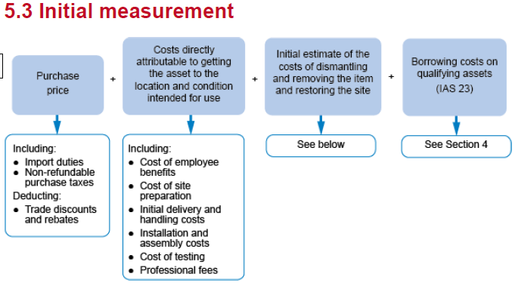

 | it is recognised in the year the operation ceases. not before - even if announcement made long time before.

 | 5.3.1 Costs which should not be capitalised
 | The following costs should not be capitalised:
 | • Costs of opening a new facility
 | • Costs of introducing a new product or service (including costs of advertising and promotional activities)
 | • Costs of conducting a new business in a new location (including staff training costs)
 | • Administration and other general overhead costs
 | • Initial operating losses and any costs of relocating or reorganising

 | Cessation of capitalisation when the asset is ready for its intended use

 | Example 2
 | YE | 2025-03-31

 | Asset A |  | `
 | cost in USD |  | 540,000
 | cost in GBP |  | 450,000
 | non-refundable tax
 |  | import duties | 25,000
 | installation cost |  | 28,000
 | less dicsount |  | -10,000
 | testing |  | 40,000
 |  |  | 533,000

 | Asset B
 | commeced |  | 2024-04-01
 | completed |  | 2025-08-31

 | opening costs incurrenct
 |  | 2024-04-01 | 200,000 | <even though payment made before - all the cost rolled on until the asset complete. Accruals made at year ends torealise AUC

 | payments made in the year
 |  | 2024-12-31 | 215,000
 |  | 2025-02-28 | 210,000

 | cost outstanding at YE |  | 75,000
 | architects |  | 51,000
 | engineers |  | 68,000
 | own staff cost |  | 96,000 | ignore market value rate
 | gen o/h |  | 0 | cannot capitalise general overhead
 |  |  | 915,000

 | cannot include estimed markup on labour. This is the htheory of the firm. That work done cheaper in house

 | good job on this one. 90% correct.

 | Activity 2

 | Chemical Plant
 | YE | 2025-03-31

 | cost | 25,000,000
 | all recorded in construction accounts
 | cr construction account |  |  | 25,000,000

 | decom cost | 2,000,000
 | spillage | 0 | <operating mistake - SPL

 | dr PPE - cost |  |  | 27,000,000
 | cr SFP - decom liab |  |  |  | 2,000,000
 | cr contruction account |  |  |  | 25,000,000

 | dr SPL - spillage cost |  |  | 400,000
 | cr SFP - prov'n |  |  |  | 400,000

 | good job. Missed the spillage cost cost to a liab
 | note the estimated future clean up cost
 | this chould go into the decom prov'n

 | Activity 3

 | YE | 2025-03-31

 | WARI on o/d |  | 9%

 | interest charge |  | 24,500
 | 2024-05-31
 | 10

 | Payments to contractors

 | 2024-09-30 |  | 200,000 | 0.5 | 9,000
 | 2024-12-31 |  | 215,000 | 0.25 | 4,838
 | 2025-02-28 |  | 210,000 | 0.083333333333 | 1,575

 | Payments to architects
 | 2024-11-30 |  | 51,000 | 0.33333333333 | 1,530
 | 2025-01-31 |  | 68,000 | 0.16666666667 | 1,020

 | Payments to staff
 | 2024-05-31 |  | 48000 | 0.83333333333 | 3,600
 | 2024-06-30 |  | 48000 | 0.75 | 3,240
 | Totla potentially available borrowing cost |  |  |  | 24,803
 | Totla capitalised borrowing cost |  |  |  | 24,500

 | Lower of the two numebrs |  |  |  | 24,500

 | Example 3

 | Cardiff |  |  |  | Lanc
 | carry |  | 15,000,000
 | cost |  | 22,000,000 |  | 20,000,000
 | AD |  | 7,000,000
 | remaing useful life |  | 10 |  | 20

 | gain on sale |  | 5,000,000 |  |  | <<<had this as a loss in first instance which was wrong. Corrected later on in journals

 | dr PPE - Lanc |  | 20,000,000
 | dr AD - Cardiff |  | 7,000,000
 | cr PPE - Cardiff |  |  | 22,000,000
 | cr SPL - gain on sale |  |  | 5,000,000

 | Property |  |  |  | Land
 | cost |  | 15,000,000 |  | 5,700,000
 | AD |  | 10,000,000
 | carry |  | 5,000,000

 | cash consideration |  |  |  | 1,500,000

 | dr PPE - land cost |  | 5,700,000
 | dr cash |  | 1,500,000
 | dr AD - prop |  | 10,000,000
 | cr PPE - prop cost |  |  | 15,000,000
 | cr - SPL gain on sale |  |  | 2,200,000
 | being gain on disposal of property

 | full marks✔✔✔✔

 | Example 4
 | YE | 2024-12-31

 | Cost |  |  | 7,000,000
 | AD |  |  | -1,400,000
 | Carrying amount |  |  | 5,600,000

 | reval - MV | 2025-01-01 |  | 8,300,000

 | uplift |  |  | 2,700,000 | cr - reval reserve
 | write back AD |  |  | -1,400,000 | dr - AD
 | cost |  |  | 1,300,000 | dr - cost

 | cost |  |  | 8,300,000
 | Depr'n charge |  |  | 518,750
 | NBV |  |  | 7,781,250

 | dr PPE - cost |  |  | 1,300,000
 | dr PPE -AD |  |  | 1,400,000
 | cr reval surplua |  |  |  | 2,700,000
 | being reval of head office at 01/01/2025

 | dr SPL - depr'n |  |  | 518,750
 | cr PPE- AD |  |  |  | 518,750
 | being depr'n charge for thbe year ended 31/12/2025

 | annual transfer = 1/16 x £2,700 = £ 169k

 | dr reval rsv |  |  | 168,750
 | cr RE |  |  |  | 168,750

 | requirement 2

 | FV at 01/01/2025 |  |  | 8,300,000
 | Deprecation charge |  |  | 518,750
 | NBV at YE 31/12/2025 |  |  | 7,781,250

 | maybe got 40% of marks - to be revisiting and practiced. Journals just need practice is all.

 | Activity 4

 | YE | 2025-12-31

 | carrying amount | 2024-12-31 | 8,000,000
 | reval - MV | 2024-12-31 | 7,500,000
 | reval losses |  | 500,000
 | remaining useful life |  | 40 | years
 | depr'n charge |  | 187,500
 | theoretical depr'n charge |  | 200,000 |  | 0
 | FV | 2025-12-31 | 8,100,000
 | NBV | 2025-12-31 | 7,312,500
 | Revaluation increase |  | 787,500
 | NBV | 2025-12-31 | 7,312,500
 | Theoretical NBV if no reval |  | 7,800,000
 | Amount credited to P&L |  | 487,500 | <<<amount that can be undone in P&L. So the check against theoretical NBV is to see whether the cost is written off against P&L or the revaluation reserve
 | Amount to credit reval rsv |  | 300,000 | cr - reval reserve

 | dr PPE |  | 787,500
 | cr SPL - gain on reval |  |  | 487,500
 | cr reval surplus |  |  | 300,000

 | decrease against theoretical NBV written of to SPL
 | gain on theoretical NBV credited to reval surplus

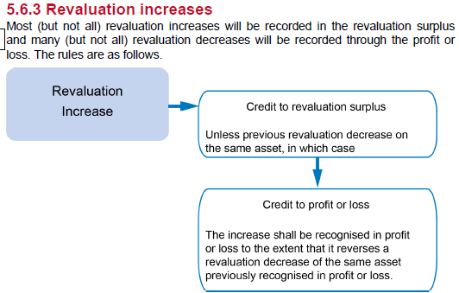

 | Activity 5

 | reval FV | 2025-01-01 | 8,300,000
 | reval increase | 2025-01-01 | 2,700,000
 | useful life |  | 16 | years
 | AD |  | 1,556,250
 | NBV | 2027-12-31 | 6,743,750
 | FV | 2028-01-01 | 4,000,000
 | Revalation decrease |  | 2,743,750

 | reval surp | 2025-01-01 | 2,700,000
 | Annual transfers |  | 506,250
 | NBV | 2027-12-31 | 2,193,750

 | Amount debited to SPL |  | 550,000

 | dr- PPE -AD |  |  | 1,556,250
 | dr -reval surpo |  |  | 2,193,750
 | Dr - SPL reval decrease |  |  | 550,000
 |  | cr property cost |  |  | 4,300,000
 | being reval decrease on property

WSE5.7
Main

 | Lawrie Ltd
 | YE | 2019-12-31

 | All payments recorded in SPL - capital expenditure
 | all receipts in SPL - other income

 | assume nil residual value
 | company does not make annual transfers from the revaluation surplud to RE

 | 2018-12-31 | L&B | P&M | IT
 | Cost | 6,107 | 6,200 | 1,410
 | AD | 2,207 | 3,800 | 600
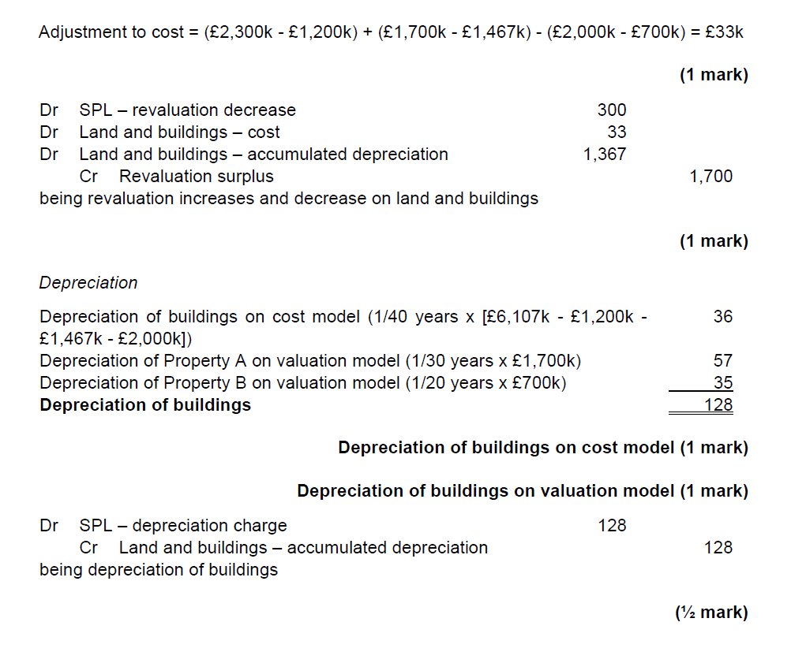
 | NBV | 3,900 | 2,400 | 810

 | Land and buildings

 | Revaluation
 |  |  | Land | Property A | Property B
 | Cost |  | 1,200 | 1,467 | 2,000
 | AD |  | 0 | 367 | 1,000
 | NBV |  | 1,200 | 1,100 | 1,000
 | FV | 2019-01-01 | 2,300 | 1,700 | 700
 | reval increase/(decrease) |  | 1,100 | 600 | -300

 | useful life |  | - | 30 | 20

 | Journals
 | Land
 | dr - land cost |  |  | 1,100 |  | <<<< think the markscheme is wrong
 |  | cr - revaluation reserve |  |  | 1,100 | It is writing the increase in the land back against AD
 | being increase in the value of the land |  |  |  |  | However, land will not have and AD balance to write back against.

 | Propery A
 | dr - cost |  |  | 233
 | dr - AD |  |  | 367
 |  | cr - revaluation reserve |  |  | 600

 | Property B
 | dr - SPL revaluation decerease |  |  | 300
 |  | cr - Cost |  |  | 300

 | dr SPL - revaluation decrease |  |  | 300
 | Dr land and buildings - cost |  |  | 1,033
 | Dr land and buildings - AD |  |  | 367
 |  | cr - revaluation surplus |  |  | 1,700

 | Depreciation
 | buildings | 6,107
 | less land | 1,200
 | less PropA | 1,467
 | less PropB | 2,000
 |  | 1,440
 |  |  | 36

 | Depr'n of prop A |  | 57
 | Depr'n of prop N |  | 35
 |  |  | 128

 | dr- SPL depr'n charge |  |  | 128
 |  | dr - AD |  |  | 128

 | Plant and Machinery
 | new equipment
 | Cost | 2019-02-01 | 410
 | Depr charge | 11 | 38
 | NBV | 2019-12-31 | 372 |  |  |  | Thing to take away is to do the cost and depreciation seperately
 |  |  |  |  |  |  | don';t do the depreciation journals in amongst the cost journals.
 | dr PPE cost |  |  | 410
 | cr - SPL - capital expenditure |  |  |  | 410
 | being correction of new equipment purchase journal

 | Hoist
 | cost | 2011-01-01 | 125
 | AD | 8 | 100
 | NBV |  | 25
 | Proceeds |  | 60
 | gain on disposal |  | 35
 | new hoist | 2019-05-16 | 240
 | depr charge | 2019-12-31 | 24
 | NBV | 0 | 216

 | dr PPE new hoist |  |  | 240
 |  | cr SPL - capital expenditure |  |  | 240
 | cr PPE - old hoist |  |  |  | 125
 | dr- AD |  |  | 100
 | dr - SPL - other income |  |  | 60
 |  | cr - SPL gain on sale |  |  | 35
 | being correction of disposal and sale of hoists

 | dr - SPL admin expense |  |  | 110
 |  | cr - SPL -capital expenditure |  |  | 110
 | being correction od maintenance cost. Should not be capitalised

 | Depreciation
 | cost open |  | 6,200
 | additons |  | 410
 |  |  | 240
 | disposals |  | -125
 | closing cost |  | 6,725
 | 10% depr rate |  | 673

 | Dr - SPL depreciation |  |  | 673
 |  | cr - P&M AD |  |  | 673
 | being depreciation charge in the year on existing and additional PPE

 | Computer equipment
 | cost | 2019-07-31 | 43,000
 | Depr'n charge | 5 | 4,506
 | NBV | 2019-12-31 | 38,494

 | Dr - IT Cost |  |  | 43,000
 | cr - SPL capitla expendutire |  |  |  | 43,000

 | cost | 2016-01-01 | 15,000
 | AD | 43 | 11,250
 | NBV |  | 3,750
 | Proceeds | 2019-08-01 | 2,000
 | Loss on disposal |  | -1,750

 |  | cr - IT cost |  |  | 15,000
 | dr - IT AD |  |  | 11,250
 | dr - SPL - other income |  |  | 2,000
 | dr - loss on disposal |  |  | 1,750
 | being correction of disposal of 10 computers

 | Depreciation
 | open cost |  | 1,410,000
 | additions |  | 43,000
 | disposals |  | 15,000
 | closing |  | 1,438,000
 |  |  | 359,500

 | dr - SPL depr'm |  |  | 360
 |  | cr - IT AD |  |  | 360

